Enumeration
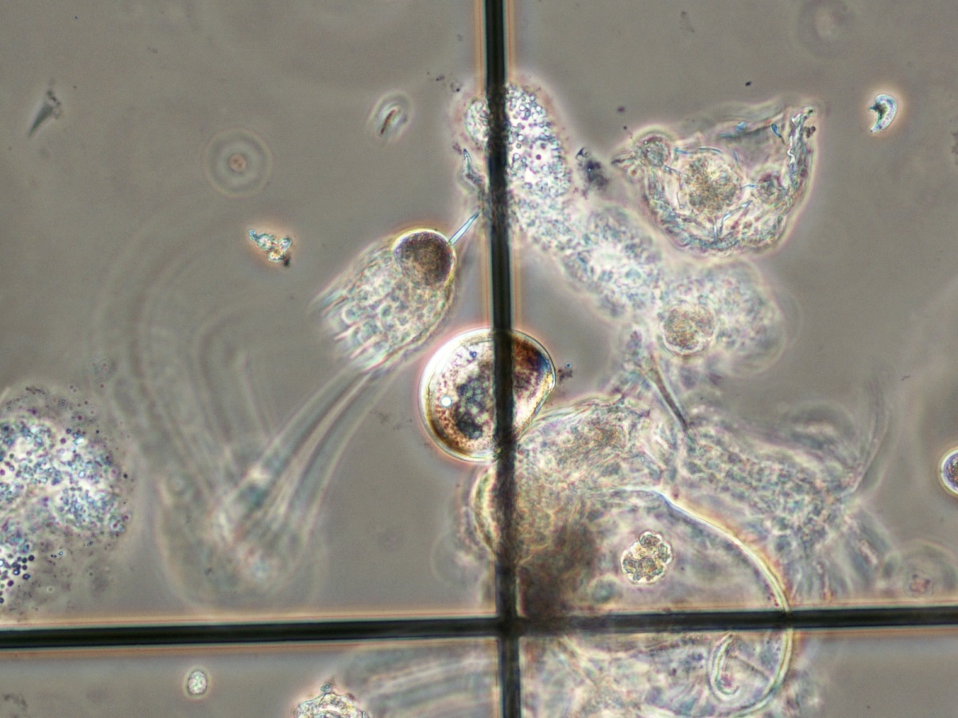
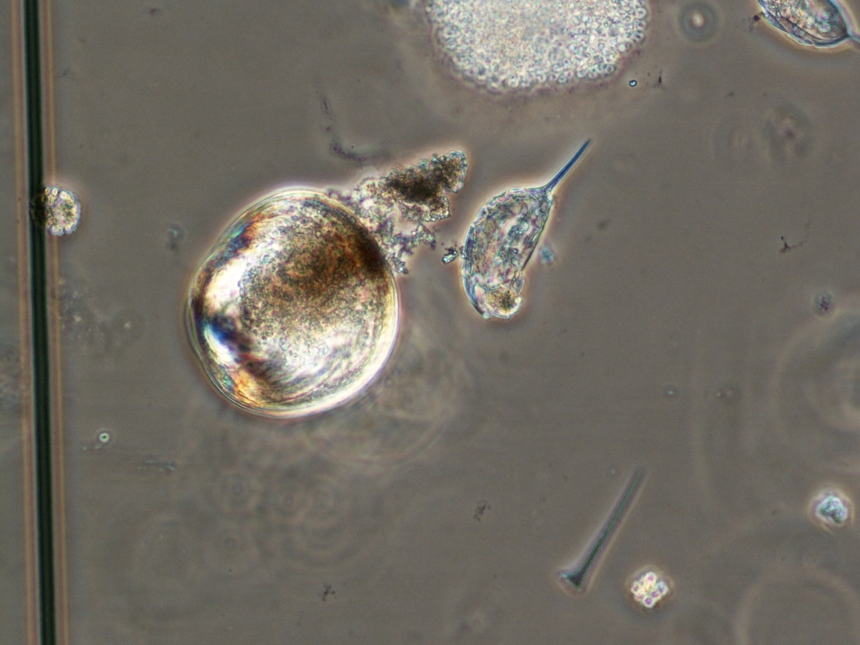
Kangaroo Lake (98600) | 2014-07-01 | Door County | analyzed 12/11/14

Volume filtered: | V = (A) (D)
 | (A) | (D) | Vf
Diameter of net (m) | Area of mouth of sampler (m^2) | Distance towed (m) | Volume filtered (m^3)
0.5 | 3.14 | 12 | 37.6991

Quantitative enumeration of Individuals

Vs = Volume of sample | Veliger Counts from | N = average count per 1 ml | Vf = volume of lake water filtered | Number of organisms
submitted (ml) | 1 ml aliquots | Sedgwich-Rafter cell | in liters (l) | per liter n= (NVs)/(Vf) | Veligers / m^3
870 | 2 | 3.4 | 37699.1 | 0.0785 | 79
 | 3
 | 2 |  |  | +1SD = | 118
 | 3 |  |  | -1SD = | 39
 | 3
 | 2
 | 7
 | 3
 | 6
 | 3

 | Standard deviation = | 1.7

 | mostly D-shaped straight-hinged larvae

