Directions
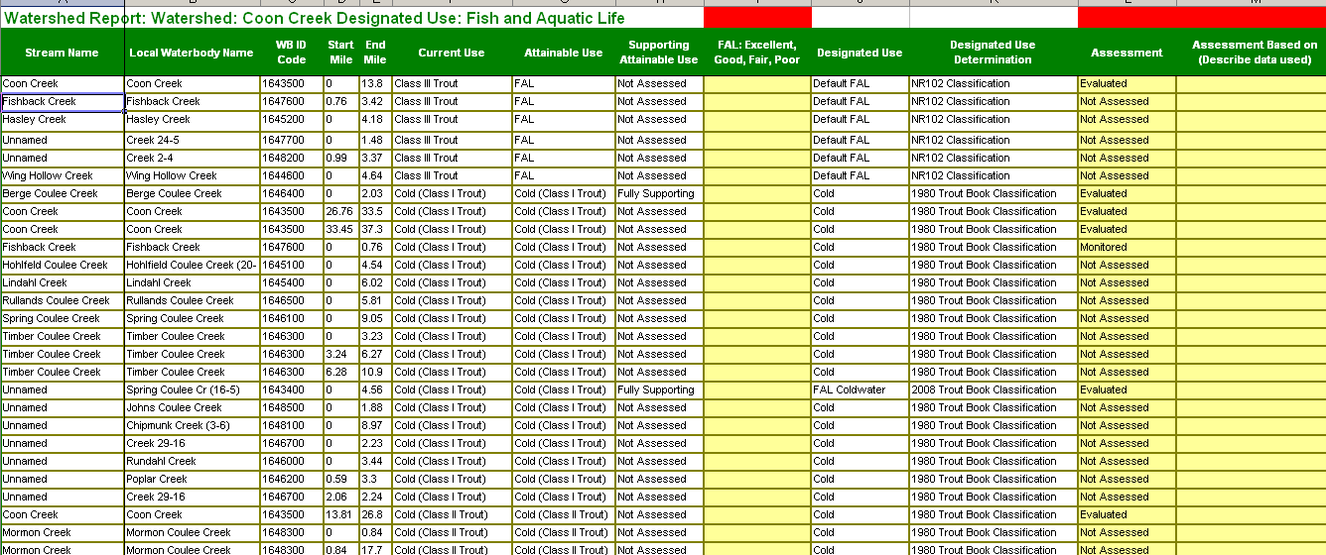
Watershed Planning Directions Year 2011-2012 |  | Comments | Responsible Party | START | COMPLETE | Responsible Party: Signoff
A. | River/ Stream General Assessments
1 | Review watershed table on the Second Tab | General assessment of streams; lakes will be assessed from a statewide package. | Biologists
2 | Review the current & attainable use for each river/stream for accuracy. | Put updates in Bold Red. | Biologists
3 | Review tabs showing macroinvertebrates & fish values; use those data to update the Watershed Table use support column. If possible, indicate excellent, good, fair or poor in the open field in the table. Document if your decision is based on bugs, fish, chem, hab. | Put updates in Bold Red. | Biologists
4 | Central office updates WATERS fields based on edits/changes from biologists. |  | Burke or Lisa
B. | Watershed Report
1 | Review draft report. Make updates using Redline, Strikeout. Save file to folder. |  | Supervisor, Biologist
2 | Review, update waterbody narratives included in appendix to the report. | Draft Report Folder Here | Supervisor, Biologist
3 | Put appendices and/or supporting reports in the draft report folder | Draft Report Folder Here | Supervisor, Biologist
4 | Save photos in the Photos folder with a "readme.txt" file identifying the location of the photo. | Photo Folder Here | Supervisor, Biologist
5 | Review draft maps. Identify any corrections that are needed. [Final Maps will be in better template with better labels.] | Draft Maps Subfolder Here | Supervisor, Biologist
6 | Reports formatted with InDesign software and distributed for final review. | Draft Report Folder Here | Burke or Lisa
7 | Public Review posting and outreach activities from central office. | Final Report Folder | Burke or Lisa
8 | Final reports produced and transmitted to USEPA |  | Burke or Lisa
C. | Impaired Waters Data Support
1 | Send requests for data downloads for impaired water evaluations to the impaired waters folder (click email link at right). | dnrimpairedwaters@wisconsin.gov | Biologists
2 | Lakes TSI values and total phosphorus/chl assessment results routed to Lakes Biologists for review. Comments/feedback |  | Biologists
3 | Central office provides training on a new WATERS impaired waters form to make recommended changes or documentation for easier. |  | Lisa
4 | Biologists enter recommended updates to using the WATERS IW Wizard |  | Biologists
5 | Central office reviews submittals, provides support and confirms recommended update, change, etc. |  | IW Coordinator/ Others

