Enumeration
Bass Lake (417900) | 2014-06-23 | Oconto County | analyzed 12/10/14

Volume filtered: | V = (A) (D)
 | (A) | (D) | Vf
Diameter of net (m) | Area of mouth of sampler (m^2) | Distance towed (m) | Volume filtered (m^3)
0.5 | 3.14 | 21 | 65.9734

Quantitative enumeration of Individuals

Vs = Volume of sample | Veliger Counts from | N = average count per 1 ml | Vf = volume of lake water filtered | Number of organisms
submitted (ml) | 1 ml aliquots | Sedgwich-Rafter cell | in liters (l) | per liter n= (NVs)/(Vf) | Veligers / m^3 | additional counts of questionable veligers/larvae not included in totals at left-- lightly calcified D-shaped larvae?
750 | 4 | 10.7 | 65973.4 | 0.1216 | 122 |  | 8
 | 6 |  |  |  |  |  | 12 |  |  | Veligers / m^3 (if questionable ones are included)
 | 9 |  |  | +1SD = | 161 |  | 10 |  |  | 191
 | 10 |  |  | -1SD = | 82 |  | 18
 | 13 |  |  |  |  |  | 22 |  | +1SD = | 248
 | 12 |  |  |  |  |  | 19 |  | -1SD = | 134
 | 15 |  |  |  |  |  | 19
 | 12 |  |  |  |  |  | 18
 | 14 |  |  |  |  |  | 22
 | 12 |  |  |  |  |  | 20

 | Standard deviation = | 3.5

 | (count includes D-shaped larvae if growth rings are visible or shell is well-calcified)
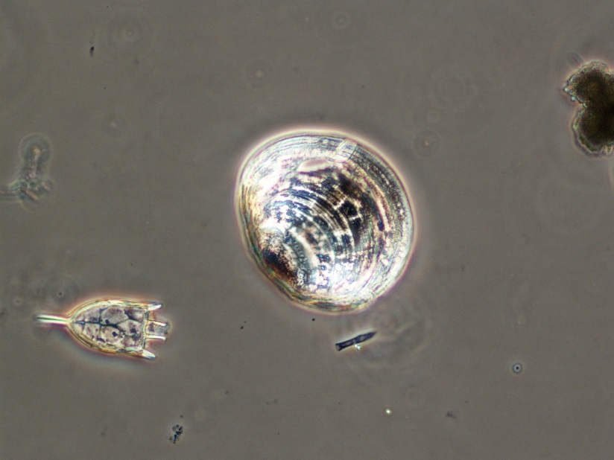
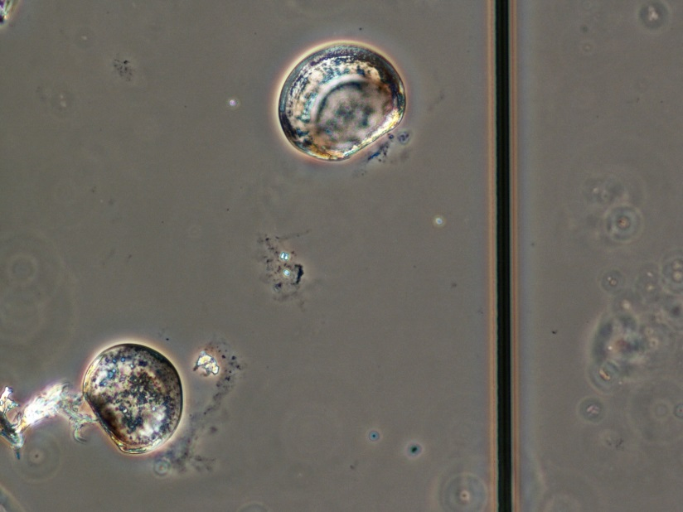
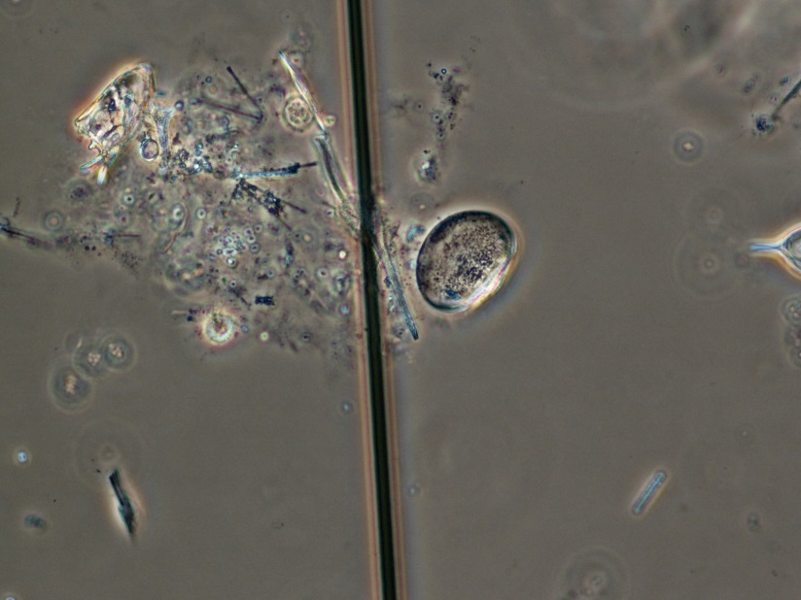

 | veliger |  | larvae or veligers |  |  |  |  | questionable larvae/veligers

