Enumeration
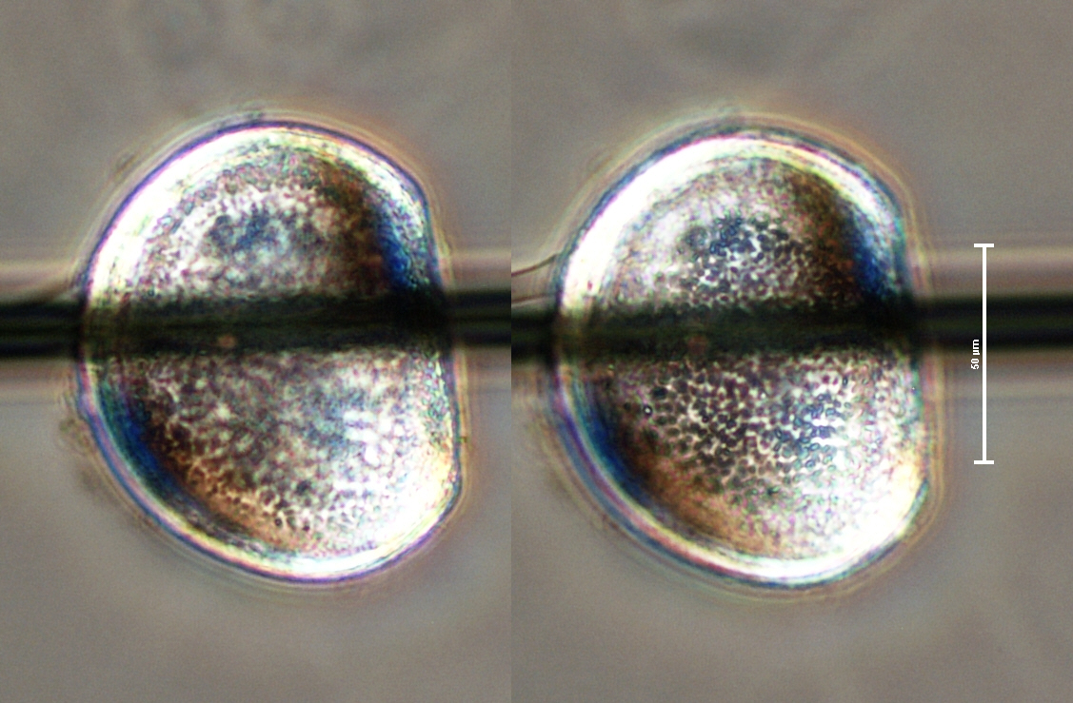
Chute Pond (462520) | 2014-06-30 | Oconto County | analyzed 12/11/14

Volume filtered: | V = (A) (D)
 | (A) | (D) | Vf
Diameter of net (m) | Area of mouth of sampler (m^2) | Distance towed (m) | Volume filtered (m^3)
0.5 | 3.14 | 12 | 37.6991

Quantitative enumeration of Individuals

Vs = Volume of sample | Veliger Counts from | N = average count per 1 ml | Vf = volume of lake water filtered | Number of organisms
submitted (ml) | 1 ml aliquots | Sedgwich-Rafter cell | in liters (l) | per liter n= (NVs)/(Vf) | Veligers / m^3
900 | 0 | 0 | 37699.1 | 0 | 0
 | 0
 | 0 |  |  | +1SD = | 0
 | 0 |  |  | -1SD = | 0
 | 0

 | Standard deviation = | 0.0

 | ghastly sample -- shrimpy smell and huge amounts of algal goo (thus D-shaped larva wasn't found until 40 ml into initial scan)
 | Stopped count at 5 mL to allow time to scan additional concentrated material (total of 100 ml screened)

 | Really can't tell if this is a ZM larva or an ostracod -- it's dead.

