Enumeration
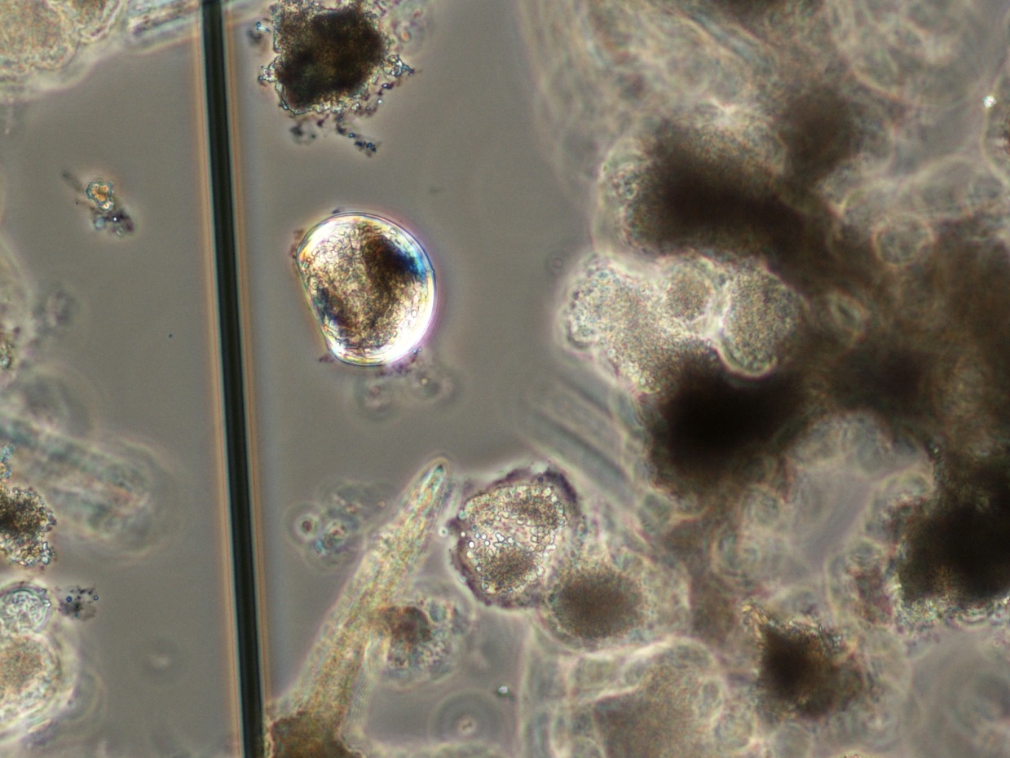
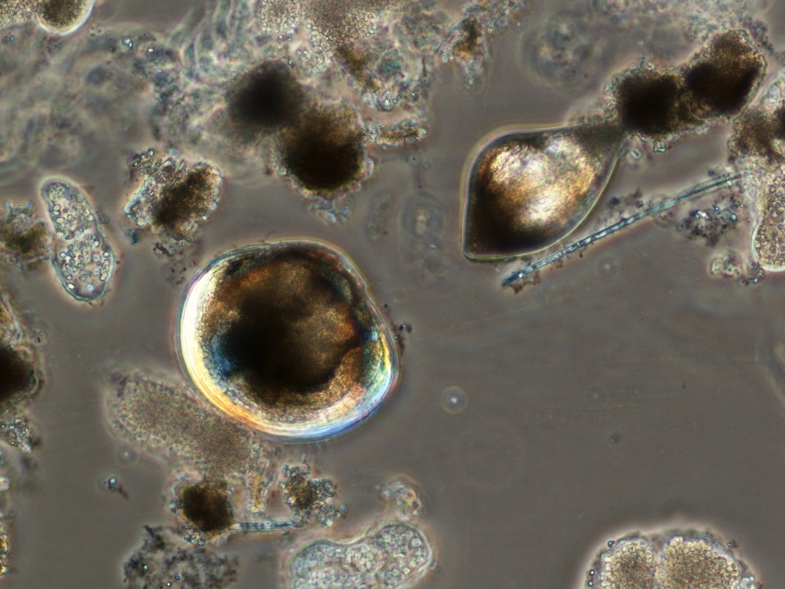
Fox Lake (835800) | 2014-07-08 | Dodge County | analyzed 01/13/15

Volume filtered: | V = (A) (D)
 | (A) | (D) | Vf
Diameter of net (m) | Area of mouth of sampler (m^2) | Distance towed (m) | Volume filtered (m^3)
0.5 | 3.14 | 4 | 12.5664

Quantitative enumeration of Individuals

Vs = Volume of sample | Veliger Counts from | N = average count per 1 ml | Vf = volume of lake water filtered | Number of organisms
submitted (ml) | 1 ml aliquots | Sedgwich-Rafter cell | in liters (l) | per liter n= (NVs)/(Vf) | Veligers / m^3
710 | 29 | 21.1 | 12566.4 | 1.1921 | 1192
 | 24
 | 8 |  |  | +1SD = | 1610
 | 16 |  |  | -1SD = | 774
 | 17
 | 25
 | 34
 | 21
 | 21
 | 16

 | Standard deviation = | 7.4

