Images
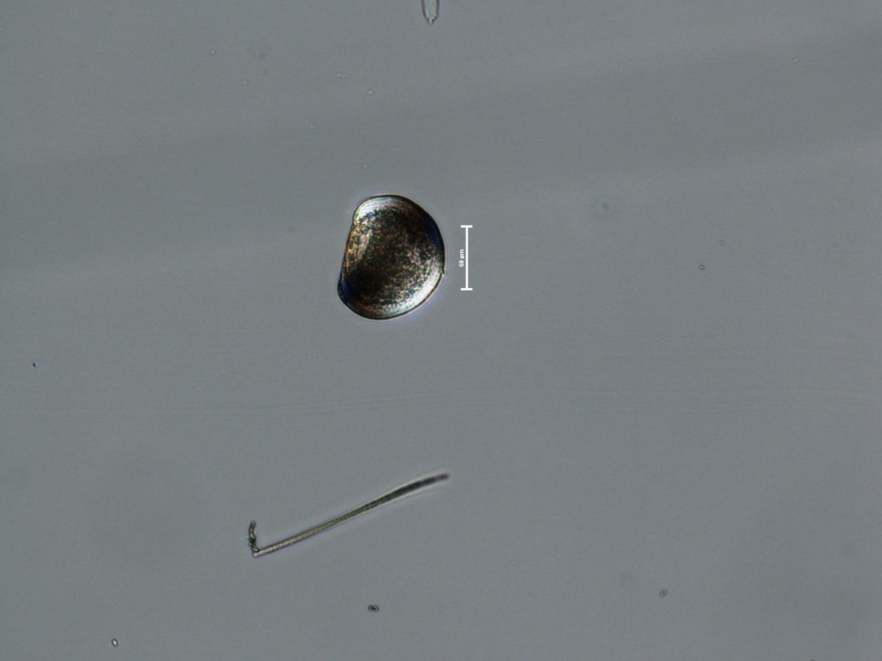
All images from LD7-7/8/2015
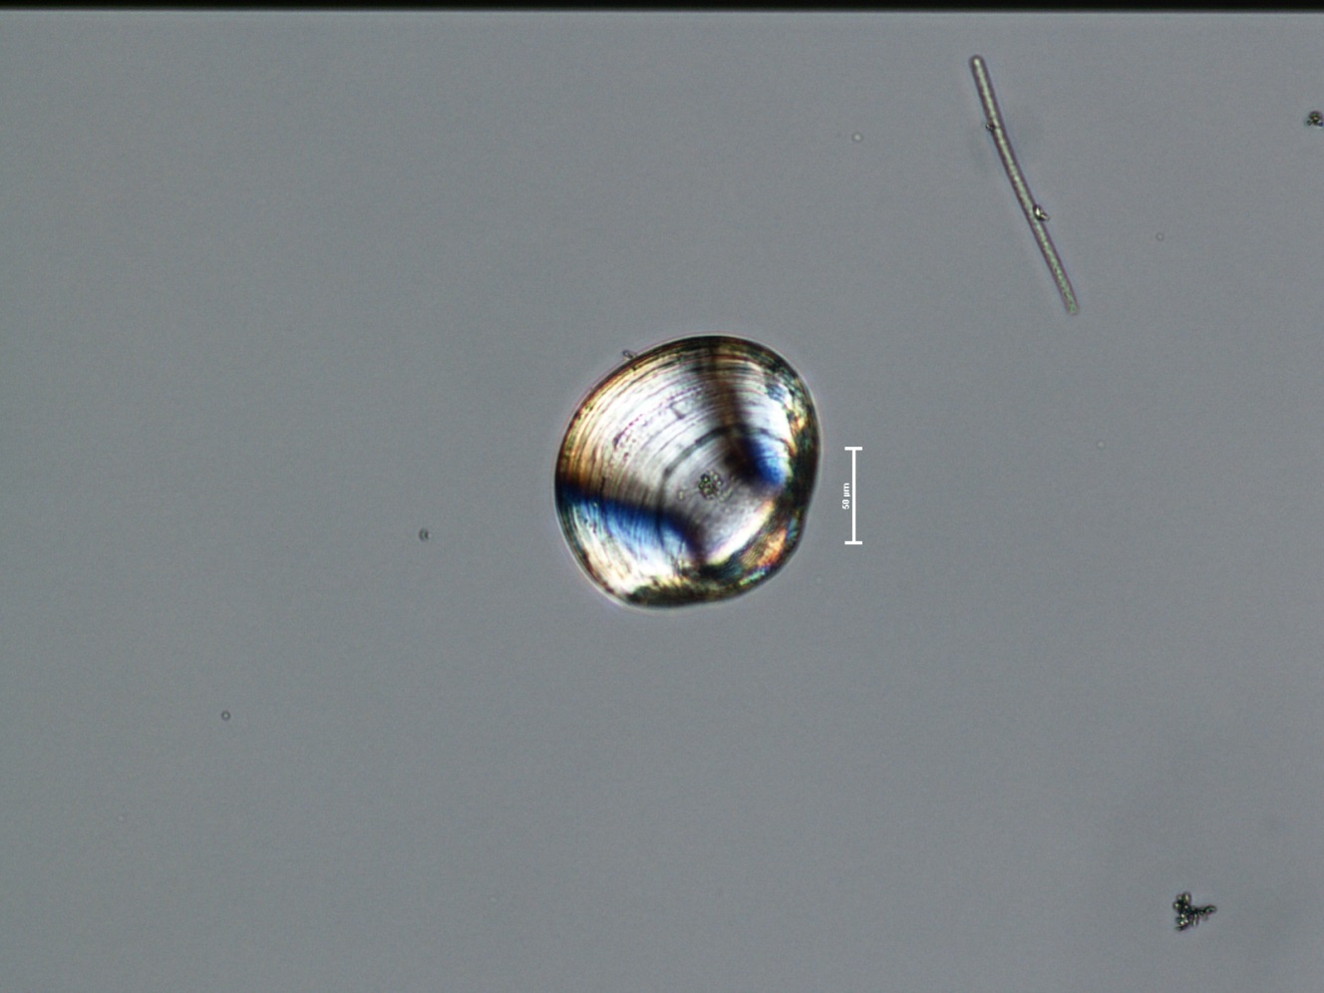
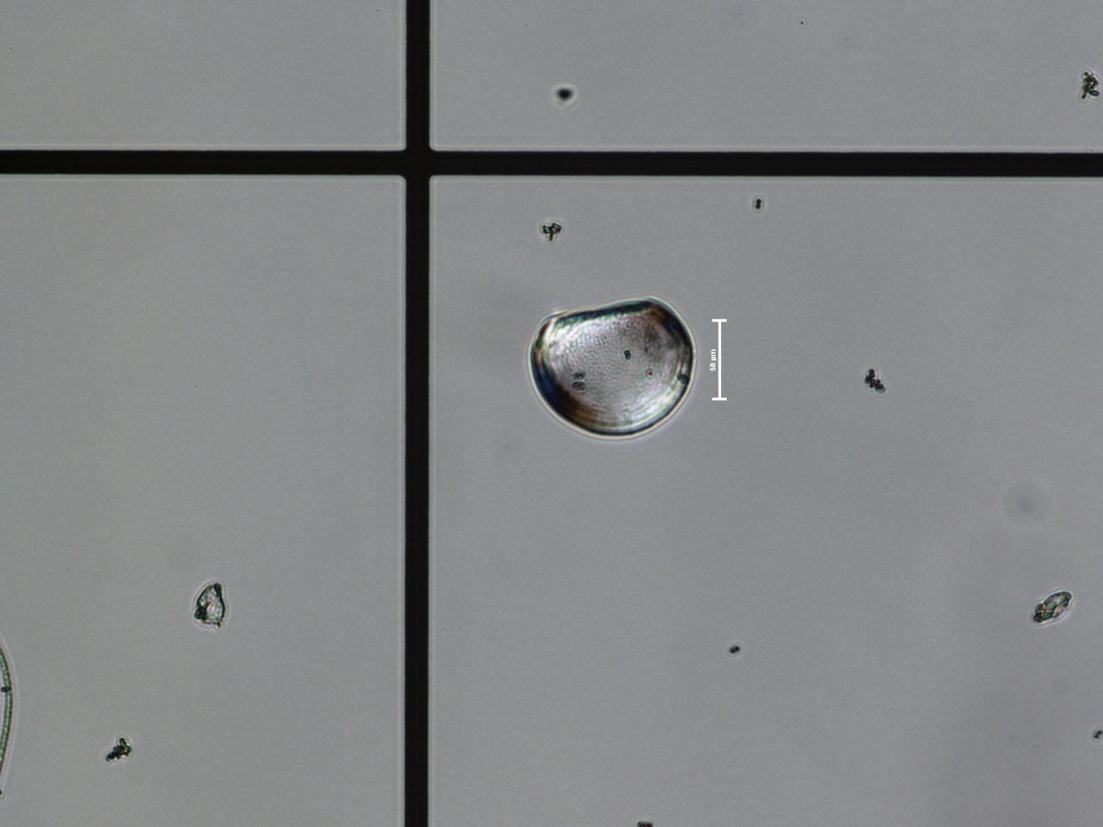

 | above, dead umbonate veliger | above, dead D-shaped veliger

 | below, live D-shaped veliger

