Data Compiled
Site # | Stream Name | Location | Survey Sequence No | WATERS DE | Modeled Natural Community | Kurt NC Verified | Notes (Kurt) | Notes | Map Notes | WATERS updated? | IBI Score | IBI Rating | Macroinvertebrate IBI | Macroinvertebrate HBI | Flow (CFS) | Qualitative Habitat Score
1 | Creek 17-16 | St. 1 455ft Upstream of Impoundment | 515086189 | X | Coldwater | Cold Tran Headwater | 9 of 9 tests passed with alternative N. Agreed. No lake species from impoundment. Switch to Cold Tran Headwater. | 9 of 9 tests passed with alternative NC |  |  |  |  | 7.293 | 3.718 | 1.076 | 68
2 | Creek 21-12 | St. 1 738ft Upstream of Impoundment | 515086186 | X | Coldwater | Cold Tran Headwater | 15 fish caught - not enough for verification. No intolerant species for any guilds. 1.16 CFS. Wetland/meadow habitat. Temp logger indicates cold water. Verify but note |  |  |  |  |  | 4.016 | 4.755 | 1.186 | 33
3 | Creek 21-12 | Downstream of Tri-Creek Impoundment | 515086174 |  | Cold Transition Headwater | Cold Tran Headwater | 6 of 9 tests passed with alternative NC (only 4 passed with modeled NC). Modeled NC also Cold Tran Headwater. CFS 2.23. DS from impoundment. Lots of lake species, impacts from impoundment. Stick with modeled natural community? | 9 of 9 tests passed with alternative NC. Modeled NC also Cold Transitional Headwater. |  |  |  |  | 4.712 | 5.82 | 2.23 | 40
4 | Creek 21-12 | St. 7 Cth T Bridge in S21 | 515086197 |  | Cold Transition Headwater | Cold Tran Headwater | 7 of 9 tests passed with alternative NC. Modeled NC passed 5 tests. 2.53 CFS. Pastured, below impoundment. To be conservative recommend Cold Tran Headwater, with impacts from impoundment. | 7 of 9 tests passed with alternative NC. Modeled NC passed 5 tests. |  |  |  |  | 4.159 | 5.452 | 2.53 | 40
5 | Creek 28-8 | St. 5 1500 ft Downstream of Landmark Ave | 515086184 |  | Cold Transition Headwater | Cold Tran Headwater | 7 of 9 tests pass, confirms model (8 of 9 with warm transition headwater). 0.688 CFS. Pasture/crop field habitat. May be some degradation - lots of tolerant species. |  |  |  |  |  | 5.486 | 3.892 | 0.688 | 43
6 | Creek 28-8 | St. 6 Hwy 71 in S28 | 515086201 |  | Cold Transition Headwater | Cold Tran Headwater | 8 of 9 tests passed with modeled NC. The modeled NC was also Cold Tran Headwater. 2.45 cfs. Down stream from site 5. Cold according to temp logger data. Confirm model. | 8 of 9 tests passed with alternative NC. The Modeled NC was also Cold Transitional Headwater. |  |  |  |  | 5.119 | 4.013 | 2.45 | 68
7 | Creek 10-2 | St.2 Mendota Ave. Crossing | 515086176 |  | Cold Transition Headwater | Cold Tran Headwater | 9 of 9 tests passed with alternated NC (Warm Tran Headwater). Only 7 of 9 with Cold Tran Headwater. 1.36 CFS. Recommend Cold Tran Headwater, stick with model, several ponds upstream that impact fish community and heavy ag area could contribute to some degradation. | 9 of 9 tests passed with alternative NC. |  |  |  |  | 5.319 | 4.643 | 1.36 | 43
8 | Creek 10-2 | 60 Yards Upstream of CTH F Bridge | 515086172 |  | Cold Transition Headwater | Cold Tran Headwater | 8 of 9 tests passed with alternative NC Warm Tran Headwater (only 6 of 9 with Cold Tran Headwater). 5 CFS. Temp logger states cool cold thermal range. Heavy agriculture, limited fish cover, lots of bank ersoion. Potentially degraded site reflected by existing fish guild. Stick with model even though Warm Tran Headwater is a better fit. | 8 of 9 tests passed with alternative NC. |  |  |  |  | 4.437 | 4.78 | 5.05 | 23
9 | Unnamed Trib | 20 Meters US of Confluence with Moore Creek | 515086194 |  | Cold Transition Headwater | Cold Tran Headwater | 9 of 9 tests passed with alternative NC. Modeled NC also Colt Tran Headwater. 0.486 CFS. Small unnamed trib entering Moore Creek above Norwalk. Fish community supports Cold Tran Headwater. Confirm model. | 9 of 9 tests passed with alternative NC. Modeled NC also Cold Transitional Headwater. |  |  |  |  | 2.55 | 5.273 | 0.486 | 58
10 | Moore Creek | Confluence With (WBIC: 1201700) | 515086195 |  | Cold Transition Headwater | Cold Tran Headwater | 9 of 9 tests pass with modeled NC. Furthest upstream site on Moore Creek. No temp logger. 2.34 CFS. Cold Tran Headwater is supported. Confirm model. |  |  |  |  |  | 4.853 | 4.625 | 2.34 | 53
11 | Moore Creek | Station 8 - SW 1/4 of S15 near stream | 515086051 |  | Cold Transition Headwater | Cold Tran Headwater | 9 of 9 tests passed with alternative NC. Modeled NC also Cold Tran Headwater. Mainstem Moore upstream from Norwalk a couple miles. 3.13 CFS. Confirm model Cold Tran Headwater. Temp logger supports cold water. | 9 of 9 tests passed with alternative NC. Modeled NC also Cold Transitional Headwater. |  |  |  |  | 5.182 | 4.264 | 3.13 | 45
12 | Moore Creek | Station 4 - Village of Norwalk | 515086178 |  | Cold Transition Mainstem | Cold Tran Mainstem | 8 of 9 tests passed with alternative NC . Modeled NC also Cold Tran Mainstem. Mainstem Moore Creek in Norwalk. No temp logger. 7.66 CFS. Cold Tran Mainstem is best stick with model unless upstream disagrees. | 8 of 9 tests passed with alternative NC. Modeled NC also Cold Transitional Mainstem. |  |  |  |  | 5.343 | 4.156 | 7.66 | 67
13 | Moore Creek | 10 Yards US of Hwy 71 | 515086182 |  | N/A | Cold Tran Mainstem | 8 of 9 tests passed with alternative NC Warm Tran Mainstem (Cold Tran Mainstem at 6 of 9). No modeled NC. On mainstem Moore Creek immediately below Norwalk. 9 CFS. Warm Tran Mainstem is best fit. | 9 of 9 tests passed with alternative NC. No Modeled NC. |  |  |  |  | 5.767 | 4.536 | 9.065 | 28
14 | Moore Creek | 25 Yds US of Cth T Bridge Near Mead Rd | 515086200 |  | Cold Transition Mainstem | Cold Tran Mainstem | 8 of 9 tests passed with the alternative NC Warm Tran Mainstem (Cold Tran Mainstem 5 of 9). Mainstem Moore Creek DS from Norwalk. FLOW? Warm Tran Mainstem best fit guild. Warm Tran Mainstem but check downstream | 8 of 9 tests passed with alternative NC. |  |  |  |  | 4.356 | 4.52 |  | 58
15 | Moore Creek | Cth T Near Norwalk WI | 515086202 |  | Cold Transition Mainstem | Cold Tran Mainstem | 8 of 9 tests passed with the alternative NC Warm Tran Mainstem (Cold Tran Mainstem 6 of (). Third sited on Moore Creek down from Norwalk. 26 CFS. Warm Tran Mainstem best fit guild. No temp logger. | 8 of 9 tests passed with alternative NC. |  |  |  |  | 5.423 | 4.339 | 25.99 | 56
16 | Moore Creek | Station 1 - Cth T Bridge in S23 | 515086179 |  | Cold Transition Mainstem | Cold Tran Mainstem | 9 of 9 tests passed with alternative NC Cold Tran Mainstem (Warm Tran Mainstem at 8 of 9 - few too many tolerant species). Modeled NC also Cold Tran Mainstem. Located near confluence of Moore Ck and the Kickapoo River. 24 CFS. Temp logger confirms cool warm to cool cold. Listed 1 American Brook Lamprey - check that listing. Reccomend staying with Warm Tran Mainstem despite the fact taht all 9 of 9 tests fit for the modeled Cold Tran Mainstem. | 9 of 9 tests passed with alternative NC. Modeled NC also Cold Transitional Mainstem. |  |  |  |  | 4.717 | 4.753 | 24.26 | 38
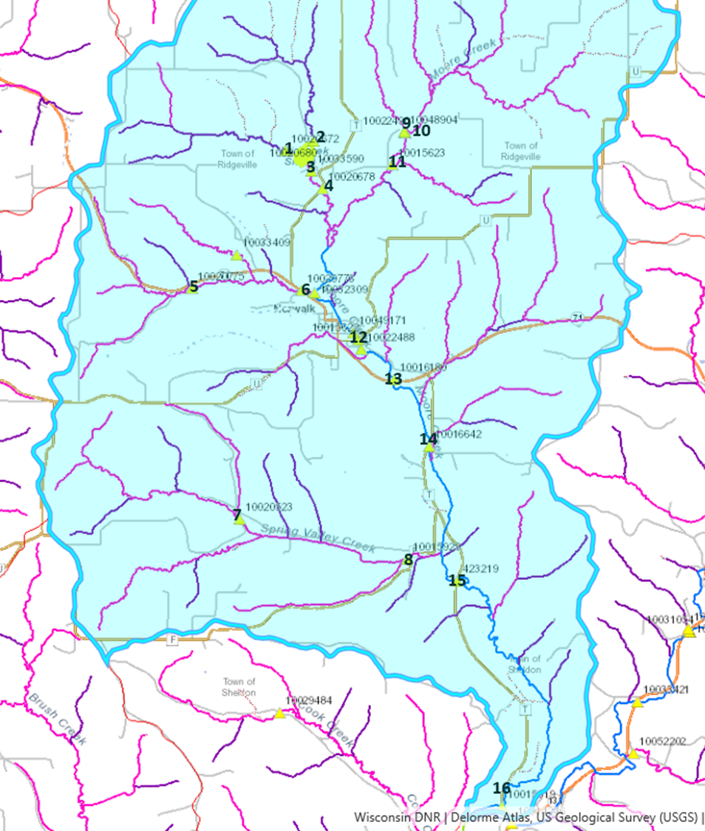

 |  |  |  |  |  | Verified
 |  |  |  |  |  | Verify, but not enough fish
 |  |  |  |  |  | Verify
 |  |  |  |  |  | Skip

10020672
Creek 17-16 ST. 1, 455 FT Upstream From Impoundment

Fish Data
Fish Species | Count
Creek Chub | 21
Mottled Sculpin | 41
Western Blacknose Dace | 5
Stoneroller | 3
Sourthern Red Belly Dace | 8
Fathead Minnows | 2
Lampreys (ammocoete) | 2

Total Fish | 82

Habitat Data
Habitat
Riparian Buffer Score: | 15
Bank Erosion Score: | 15
Pool Area Score: | 3
Width:Depth Score: | 0
Riffle:Riffle, Bend:Bend score: | 10
Fine Sediments Score: | 10
Fish Cover Score: | 15
Total Score | 68

Physical and Chemical Data
Flow (CFS) | 1.076
Water Temp | 15.24
Conductivity | 447
D.O. (% Sat) | 87.7
D.O. (Mg/L) | 8.76
Ph | 8.55

Macroinvertebrate Data
Macroinvertebrate IBI | 7.293
Hilsenhoff BI | 3.718
Family-Level BI | 4.318
HBI Max 10 | 3.719
Shannon's Diversity Index | 4.028

Comments
This stream flows from the NW and enters the Tri-Creeks impoundment downstream. The Sparta-Elroy trail runs to the west of the stream. Big storm in July (20th) left trees and brush along and within the stream. Riparian area protected and in swampy area. This is county and state property. Lots of bends and some riffles. Few pools created mostly by downed trees. Not much bank erosion. Some fine sediments present. Downed trees and undercut banks for fish cover.

10020680
Creek 21 - 12 ST. 1, 738 FT Upstream of Impoundment

Fish Data
Fish Species | Count
White Sucker | 1
Fantail Darter | 1
Johnny Darter | 6
Creek Chub | 4
Western Blacknose Dace | 2
Northern Pike | 1

Total Fish | 15

Habitat Data
Habitat
Riparian Buffer Score: | 15
Bank Erosion Score: | 5
Pool Area Score: | 3
Width:Depth Score: | 0
Riffle:Riffle, Bend:Bend score: | 5
Fine Sediments Score: | 0
Fish Cover Score: | 5
Total Score | 33

Physical and Chemical Data
Flow (CFS) | 1.186
Water Temp | 15.52
Conductivity | 412
D.O. (% Sat) | 100.2
D.O. (Mg/L) | 9.98
Ph | 8.01
Transparency | 120

Macroinvertebrate Data
Macroinvertebrate IBI | 4.016
Hilsenhoff BI | 4.755
Family-Level BI | 5.29
HBI Max 10 | 4.875
Shannon's Diversity Index | 3.71

Comments

Started ~50-70m US of impoundment. Marked out station length when temp logger was deployed. Start of station in open wetland/meadow habitat (tall grasses, cattails and few shrubs). Last ~40m of station in woodland setting (smaller trees and shrubs). Substrate mostly sand and silt with some clay in first half of station, then gradually shifting to more sand and small areas of gravel for the second/woodland half. Banks became more eroded once habitat shifted to woodland setting. Fish cover limited to overhanging veg in first half of station. No AIS detected. Beaver activity (small dam found) noticed when we pulled temp logger and collected macroinverts. No beaver activity during electroshocking survey.

10020678
Creek 21-12 St. 7, CTH T Bridge in S21

Fish Data |  | *Backpack Shocker
Fish Species | Count
Stonerollers | 30
Western Blacknose Dace | 22
Fantail Darter | 13
White Sucker | 71
Black Bullhead | 2
Creek Chub | 55
Longnose Dace | 15
Bluntnose Minnow | 28
Johnny Darter | 2
Common Shiner | 11
Largemouth Bass | 8
Total Fish | 257

Habitat Data
Habitat
Riparian Buffer Score: | 0
Bank Erosion Score: | 10
Pool Area Score: | 0
Width:Depth Score: | 0
Riffle:Riffle, Bend:Bend score: | 5
Fine Sediments Score: | 15
Fish Cover Score: | 10
Total Score | 40

Physical and Chemical Data
Flow (CFS) | 2.53
Water Temp | 19.31
Conductivity | 371
D.O. (% Sat) | 84.9
D.O. (Mg/L) | 7.81
Ph | 7.83

Macroinvertebrate Data
Macroinvertebrate IBI | 4.159
Hilsenhoff BI | 5.452
Family-Level BI | 6.075
HBI Max 10 | 4.777
Shannon's Diversity Index | 2.9

Comments

Started ~10m US of bridge, past bridge pool. CLP common throughout. Station heavily pastured by horses on US side and by cattle on DS side. Banks appear to be stable for the most part, with vegetation growing strong along stream. Large amounts of macrophytes and long strands of filamentous algae common throughout station. Substrate mostly all cobble and boulders.

10033590
Creek 21-12 Downstream of Tri-Creek Impoundment

Fish Data
Fish Species | Count
Creek Chub | 22
White Sucker | 29
Stonerollers | 1
Bluntnose Minnow | 8
Common Shiner | 1
Yellow Perch | 3
Bluegill | 8
Pumpkinseed | 4
Largemouth Bass | 43
Total Fish | 119

Habitat Data
Habitat
Riparian Buffer Score: | 15
Bank Erosion Score: | 15
Pool Area Score: | 0
Width:Depth Score: | 0
Riffle:Riffle, Bend:Bend score: | 0
Fine Sediments Score: | 10
Fish Cover Score: | 0
Total Score | 40

Physical and Chemical Data
Flow (CFS) | 2.23
Water Temp | 18.98
Conductivity | 379
D.O. (% Sat) | 81.1
D.O. (Mg/L) | 7.51
Ph | 8.14
Transparency | 47

Macroinvertebrate Data
Macroinvertebrate IBI | 4.712
Hilsenhoff BI | 5.82
Family-Level BI | 6.141
HBI Max 10 | 5.528
Shannon's Diversity Index | 3.015

Comments

Started ~100m DS of first riffle DS of impoundment outflow and shocked upstream. Station starts in open woodlands, then gradually the riparian area turns into small mowed field. Station length is good run/riffle mix. Substrate largely gravel/cobble, with areas of sand near margins. Limited areas of fish cover of overhanging veg. No AIS detected.

10020775
CREEK 28-8 ST. 5, 1500FT DOWNSTREAM OF LANDMARK AVE

Fish Data
Fish Species | Count
Johnny Darter | 4
Stonerollers | 1
Creek Chub | 18
Brook Stickleback | 2
Brook Trout | 1
Total Fish | 26

Habitat Data
Habitat
Riparian Buffer Score: | 5
Bank Erosion Score: | 0
Pool Area Score: | 3
Width:Depth Score: | 10
Riffle:Riffle, Bend:Bend score: | 15
Fine Sediments Score: | 5
Fish Cover Score: | 5
Total Score | 43

Physical and Chemical Data
Flow (CFS) | 0.688
Water Temp | 15.46
Conductivity | 641
D.O. (% Sat) | 87.2
D.O. (Mg/L) | 8.66
Ph | 8.22
Transparency | 72

Macroinvertebrate Data
Macroinvertebrate IBI | 5.48578
Hilsenhoff BI | 3.892
Family-Level BI | 4.26
HBI Max 10 | 3.884
Shannon's Diversity Index | 3.889

Comments

Started ~5m US of bridge. First ~60m of station through pasture, last 40m through crop fields with small shrub buffer. Water clarity noticeably different through pasture vs small buffer area (t-tube in pasture: 72 cm; t-tube in crop area: 120+ cm). Substrate cobble and gravel, few boulders and sand found in margins and pool areas. Fish cover limited to the few boulders and overhanging veg. (Meters 48-58 were small stream conditions- about 1ft wide with cobble and a little water flowing through the channel; after the pasture ended at about 58m, the stream became wider and deeper. There was a culvert/crossing area about 10m long at 85m, then we shocked for 10m above the culvert area). CLP common throughout station. Amps and volts not recorded.

10020776
CREEK 28-8 ST. 6, HWY 71 IN S28

Fish Data
Fish Species | Count
Longnose Dace | 3
Fantail Darter | 4
Brook Stickleback | 2
Western Blacknose Dace | 1
Johnny Darter | 2
Lamprey (Ammocoete) | 1
...
Macroinvertebrate Data
Macroinvertebrate IBI | 5.11859
Hilsenhoff BI | 4.013
Family-Level BI | 3.967
HBI Max 10 | 4.044
Shannon's Diversity Index | 3.314

Comments

Started ~5m US of HWY 71 bridge, just above first small riffle. Stream runs through corn/soybean fields with very little vegetated buffer. Stream substrate largely cobble and boulder. No significant bank erosion seen throughout station length. Landowner stopped and talked and mentioned he conducts several habitat restoration efforts in several streams around the area. Fish cover mostly undercut banks and boulders with some woody debris. No AIS detected. Amps and volts not recorded.

10016642
...
Macroinvertebrate Data
Macroinvertebrate IBI | 4.356
Hilsenhoff BI | 4.52
Family-Level BI | 5.508
HBI Max 10 | 4.44
Shannon's Diversity Index | 3.741

Comments

Started ~10m US of bridge, where stream narrows. Station runs through area of possible rotation grazing (horses were seen during temp logger deployment). Vegetation was somewhat grown up. Corn fields border the pasture area on left, and CTH T on the right. Substrate mostly cobble and boulders, even in pool area. Sand and silt could be found on stream margins in the upper reaches of the station. Bank stability rates excellent- no significant erosion noted throughout the survey. Fish cover limited to a few boulders and few areas of undercut bank. No AIS detected.

10016180
...
Macroinvertebrate Data
Macroinvertebrate IBI | 5.767
Hilsenhoff BI | 4.536
Family-Level BI | 5.267
HBI Max 10 | 4.381
Shannon's Diversity Index | 3.938

Comments

Started ~10m US of bridge and about 2m US of barbed wire fence over stream. End ~5m US of bike trail bridge. Station length is open to pasturing. Many banks experience high levels of erosion. Substrate mostly cobble and gravel with sand mixed in, and some clay on the margins. Substrate turns to solid bedrock for last ~50m of station (after deep pool). CLP common throughout station until bedrock section.

423219
...
Macroinvertebrate Data
Macroinvertebrate IBI | 5.423
Hilsenhoff BI | 4.339
Family-Level BI | 5.291
HBI Max 10 | 4.36
Shannon's Diversity Index | 3.747

Comments
Started station ~50m US of bridge, past fallen tree. Shocking inefficient for first ~70m due to deep pools. At first bend, habitat turns from deep pool, to riffles and runs throughout rest of station. Sandstone bluff runs along left bank of first ~60m of station. Before bend, substrate mix of cobble, sand and silt. Stream margins heavily silted and some clay before bend. Substrate largely cobble, boulder, and sand after bend/pool. Land use around station appeared to be used for grazing purposes. Heavy grazing from cattle was seen DS of bridge. Some banks highly eroded, one noted to have 3+m of bare soil. CLP common throughout station.

10015619
...
Macroinvertebrate Data
Macroinvertebrate IBI | 4.717
Hilsenhoff BI | 4.753
Family-Level BI | 5.646
HBI Max 10 | 4.577
Shannon's Diversity Index | 3.808

Comments

Started ~20m US of bridge, just around bend. Substrate mostly sand with areas of silt. Cobble and gravel could be found in riffle sections. Decent amount of smaller bends and riffles. Some banks fully eroded up to 8-10 feet. Crop fields on both sides of station. Small buffer width of ~5-7m at most. Large woody debris makes up most fish cover. Few areas of large trees downed over stream. Shocked up to riffle near CTH T and took out there. No AIS detected.

10015622
...
Macroinvertebrate Data
Macroinvertebrate IBI | 5.343
Hilsenhoff BI | 4.156
Family-Level BI | 4.195
HBI Max 10 | 4.048
Shannon's Diversity Index | 3.543

Comments

Started ~15m US of bridge, just above first riffle. Station parallels Wisconsin Street and the bike trail. Stream appears channelized with habitat improvement throughout station (large boulders along banks and in stream), Very narrow buffer width of grasses and mowed on both sides. Substrate cobble, gravel and boulders. Japanese Knotweed verified: N43.83084, W090.61874 - across from old Norwalk Creamery building.

10015623
...
Macroinvertebrate Data
Macroinvertebrate IBI | 5.182
Hilsenhoff BI | 4.264
Family-Level BI | 5.305
HBI Max 10 | 4.314
Shannon's Diversity Index | 4.079

Comments

After corner of road, walk into stream along field edge. Stream will be straight in after corner of field. Started station just above first riffle. Shocking fairly difficult at times due to shallow riffles and areas of tag alder. Field borders stream on left side, but still >10m buffer. Lost sight of field after ~50m into station. Stream mostly runs through hardwood forest, with shrubs/tag alder making up the understory. Substrate largely cobble and boulder, with few areas of sand in mid-channel and margins. Fish cover limited to overhanging brush and few boulders. Most banks showed signs of moderate erosion. Stream appeared to have more visible flow compared to when temp logger was deployed; 3 beaver dams backed up most of DS. No AIS detected.

10022490
...
Macroinvertebrate Data
Macroinvertebrate IBI | 4.853
Hilsenhoff BI | 4.625
Family-Level BI | 5.167
HBI Max 10 | 4.376
Shannon's Diversity Index | 4.254

Comments

Confluence downstream of where we originally thought. This stream flows from the East. Big storm in July (20th) left trees and brush along and within stream. Riparian area protected because this is county property. Lots of riffles and bends throughout stream. Wider in some areas, but overall about 3.5m wide. Few pool areas but not very deep. Some bank erosion w/steeper banks from the storm. Some fine sediments were present, but limited. Downed trees and some undercut banks created fish cover. Ended at beaver dam, total station was 120m long. Amps and volts not recorded.

10020523
...
Macroinvertebrate Data
Macroinvertebrate IBI | 5.319
Hilsenhoff BI | 4.643
Family-Level BI | 5.452
HBI Max 10 | 4.633
Shannon's Diversity Index | 4.03

Comments

Started ~10m US of bridge. CLP and Forget-Me-Nots very common throughout station length. Stream pastured on US side of bridge, crop fields DS of bridge. Substrate largely cobble in runs and riffles. Pool areas consisted of sand/silt/cobble.

10015929
...
Macroinvertebrate Data
Macroinvertebrate IBI | 4.437
Hilsenhoff BI | 4.78
Family-Level BI | 5.566
HBI Max 10 | 4.645
Shannon's Diversity Index | 3.839

Comments

Started ~90m US of bridge, past fence in stream and bend. Entire station open to pasturing. Banks highly eroded. Substrate mostly sand/gravel, with some areas of cobble. Silt in margins. Very limited fish cover of overhanging veg. CLP present. Amps and Volts not recorded.

10048904
...
Macroinvertebrate Data
Macroinvertebrate IBI | 2.55
Hilsenhoff BI | 5.273
Family-Level BI | 5.91
HBI Max 10 | 5.16
Shannon's Diversity Index | 3.791

Comments

Confluence with stream from the East is downstream of where we originally thought. This stream flows from the west. Big storm in July (20th) left trees and brush along and within this stream. Riparian area protected because this is county (Tri-Creeks) property. Lots of bends and some riffles in stream. Few pool areas mostly by down trees. Just a little bank erosion. Some fine sediments present, but limited. Downed trees and some undercut banks created fish cover. Shocked up ~15m in the left (west) arm of the small confluence about 85m from start (this appeared to be the main stream channel). Amps and volts not recorded.

