Readme
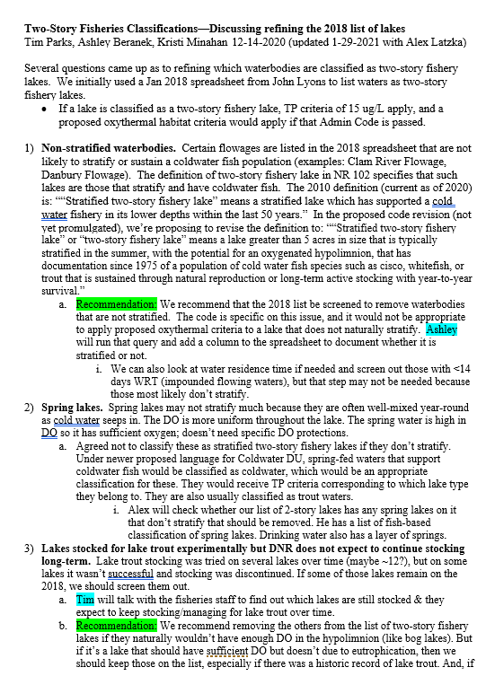
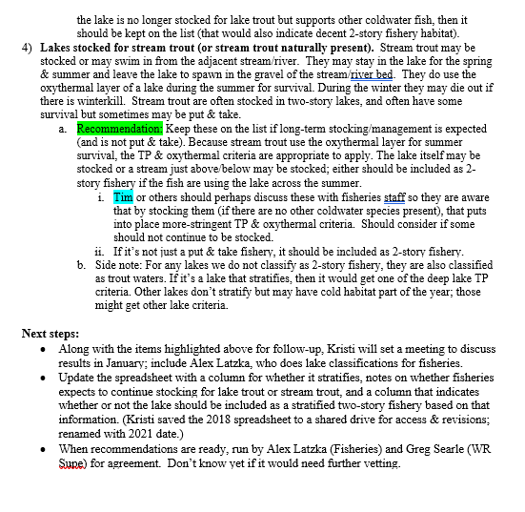
February 12, 2021: This file contains recommendations for revising the 2018 two-story fisheries list.
Tim Parks & Alex Latzka (from Fisheries) and Ashley Beranek & Kristi Minahan (from Water Quality) reviewed each lake from the 2018 two-story fishery list in Feb. 2021.
The primary goal was to identify lakes that (a) do not naturally stratify & maintain an oxythermal layer, or (b) were previously stocked but are no longer stocked and coldwater fish are no longer present (and were not historically present). These lakes would not meet the definition of a two-story fishery lake and it would be inappropriate to apply the two-story fishery criteria to these lakes if they would not naturally have the characteristics to attain those criteria. See decision points in the document pasted below for items 1) non-stratified waterbodies, and 3) and 4) where stocking no longer occurs. This revision does not address item 2) spring lakes.
To identify those that were unlikely to stratify, we pulled in data on water residence time (columns E-G) and whether they were calculated to be deep/shallow (i.e. stratified/unstratified based on Latrhop Lillie equation, columns H-K).
To identify those that had previously been stocked but are no longer stocked or are only put & take (survival not expected), Tim disscussed lakes with fisheries biologists, and Tim/Alex reviewed stocking data ("Notes" column).
Lakes where the recommendation is "Default Keep" means that we did not have reason to question or review these lakes, so we recommend they stay on the list. Where "Keep", "Remove", or other recommendations are shown in the recommendations column, the group discussed those lakes individually. Where it says "Remove? Chain", those lakes are part of a chain of lakes where a different lake in the chain supports coldwater fish, but the characteristics of the lake in question are unlikely to be suitable for supporting coldwater fish. In such lakes it is possible that transients may occasionally occur, but our recommendation is that it is not appropriate to classify them as two-story fishery lakes.

